Sheet1
Figure 4.1 - Standard #4 Measurement and Analysis of Student Learning and Performance
Use this table to supply data for Criterion 4.1.
Performance Indicator | You must provide assessments results for each program, concentration, specialization, etc. accredited or to be accredited. You must have direct, summative, formative and comparative results.
1. Student Learning Results | A student learning outcome is one that measures a specific competency attainment. Examples of a direct assessment (evidence) of student learning attainment that might be used include: capstone performance, third-party examination, faculty-designed examination, professional performance, licensure examination). Add these to the description of the measurement instrument in column two: Direct - Assessing student performance by examining samples of student work Indirect - Assessing indicators other than student work such as getting feedback from the student or other persons who may provide relevant information. Formative – An assessment conducted during the student’s education. Summative – An assessment conducted at the end of the student’s education. Internal – An assessment instrument that was developed within the business unit. External – An assessment instrument that was developed outside the business unit. Comparative – Compare results to external students using data from the U.S. Department of Education Research and Statistics, or results from a vendor providing comparable data. Internal comparative data may be between classes, online and on ground classes, professors, programs, campuses, etc.
 |  | Analysis of Results
Identified in Criterion 4.2 | Identified in Criterion 4.1 | Identified in Criterion 4.3 |  | Identified in Criterion 4.4 | Identified in Criterion 4.3
Approach | Deployment (Do not use grades or GPA) | Results | Analysis of Results | Improvement Action Taken or Improvement made | Insert Graphs or Tables of Trends (3-5 data points) Report sample or population size n = #
Learning objectives SLO1, SLO2, etc. | What is your measurement instrument or process? | What are your current results? | What did you learn from the results? | What did you improve or what is your next step?
Measurable Goals 80%, 5.5 or above, etc. | (Indicate type of instrument) direct, formative, internal, comparative |  |  |  |  | Fall 2015 | Spring 2016 | Fall 2016 | Spring 2017 | Fall 2017 | Spring 2018 | Fall 2018

BBA
Demonstrate competence and understanding of basic business disciplines and concepts. GOAL: The program goal is that 65% of students taking the exam will achieve an overall score of 65% or better on the exam. The assessment results: AY 16-17: 78% met goal AY 17-18: 71% met goal AY 18-19: 64.29% met goal (Fall 18 only) | DIRECT, SUMMATIVE, EXTERNAL, COMPARATIVE. ETS comprehensive exam--accounting, management, finance, marketing indicators | Students complete the ETS Major Field Test in MGT 489 Senior Business Seminar. Student results by domain are below the national average. Overall, marketing and management domain results are stronger than the accounting and finance results. The test was administered in Fall 2018, but not in Spring 2019. | Student performance on the exam has declined over the past 3 academic years. The Marymount Learning Assessment also evaluates performance in the Marketing, Management, Finance, and Accounting disciplines. The graph included in the table compares trends over the period for each discipline. Accounting and Finance tend to score lower than Marketing and Management. Accounting and Management declined notably from AY 17-18 to AY 18-19. It important to note that the AY 18-19 results include Fall semester only; the exam was not given in Spring 19. | The School Assessment Committee will support the BBA program in reviewing the ETS exam as a benchmarking tool, identifying alternative products, implementing a consistent process for administration, and using the test results to make specific improvements. | 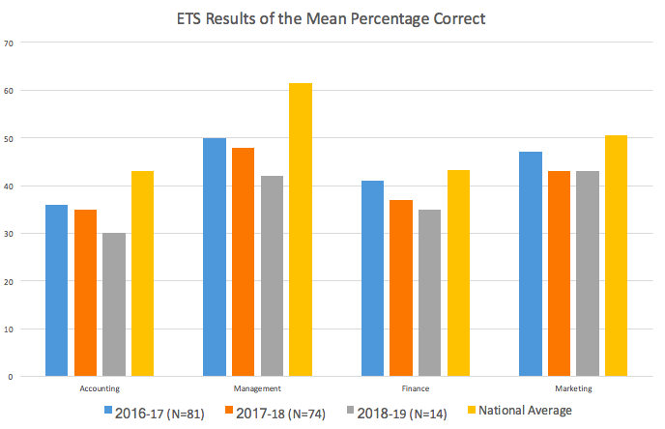
Demonstrate problem solving skills supported by analytical techniques. GOAL: The program goal is that 50% of students will meet or exceed a normed score of 50% for each of the following business disciplines--marketing, operations, organization/human resources, and finance/accounting. | DIRECT, SUMMATIVE, EXTERNAL, COMPARATIVE. CapSim (Comp-XM) exam results | The CompXM simulation is given as a final exam in MGT 451 Strategic Management. The results by discipline are normed against the national average for the exam. The summary of results follows; detailed results are found in the evidence file. 2016-17: Above goal in all disciplines 2017-18: Above goal in all disciplines 2018-2019: Above goal in all disciplines | The CompXM simulation is a valuable learning experience for students and provides the BBA program faculty with a comparative benchmark for learning assessment. In reviewing the data over 3 academic years, the program recognized the importance of establishing a consistent methodology for interpreting the data, so that trends can be identified. The analysis for AY18-19 included here is consistent with prior academic years. | In 2016-17, CompXM was administered as part of a 1-credit course focused only on the simulation. The program modified the process in 2017-18, integrating the simulation in MGT 451 Strategic Management. This approach allows students to experience the simulation in the context of strategic management and to prepare over the course of the semester. The simulation was administered in MGT 451 in AY 18-19 as well. In AY 19-20, the program will evaluate the CapSim tool and determine whether it intends to continue or replace the tool. | 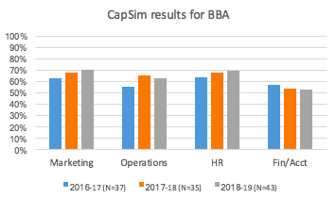
Demonstrate leadership and collaborative skills. GOAL: The program's outcome goal is 85% of students reviewed will score a "3" (average) or higher. | DIRECT, SUMMATIVE, INTERNAL. Dean's Review Panel (senior seminar project)--collaboration and leadership skills | Student teams in MGT 489 prepare a business plan that is presented in a competition. The 4-5 finalist teams present in the final round "Dean's Review Panel." Student teams are judged by a panel of faculty, business leaders, and the School Dean. The outcome analysis includes a tablulation of the judges' scores for each team, using a 5-point scale (poor to excellent). Detailed results are included in the trend analysis and in the Marymount Learning Assessment report (evidence file). Students exceed the goal for Leadership in all semesters. The Collaboration goal was exceeded in 3 of 5 semesters. | For many years, the BBA program has used the team project (i.e., the creation of a comprehensive business plan) in the capstone course (MGT 489) as an element of the overall outcomes assessment process. A component of this assessment was to have a “dean’s review panel” (consisting of the dean and local business practitioners), hear and critique the business plans. All of the panelists used a multidimensional rubric to complete this evaluative process. However, in recent years as the number of presenting teams has grown, the instructor has opted to have the “dean’s review panel” only hear a subset of the teams enrolled in the course (i.e., “the finalists”). Therefore, the challenge from an assessment perspective, is that only a subset of the students in the class receive a critique from the external group. | Going forward, the BBA should address how to assess all of the students in the course and not just a sample of students. | 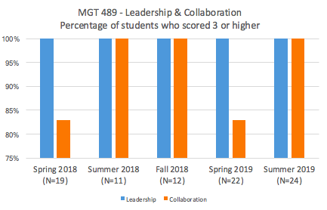
Demonstrate leadership and collaborative skills. GOAL: The program has not established a goal related to the internship supervisor assessment. | DIRECT, SUMMATIVE, EXTERNAL Internship Supervisor Survey - LeadershipQ: The intern was capable of employing leadership and collaborative/team skills. | In MGT 490 Internship, the intern's supervisor completes an assessment at the end of the internship. Student performance is rated on a scale of 1 to 5, with the 5 rating highest. | In the past 3 academic years, the supervisors' assessment is greater than 4. | Program Director, Dean and Internship Coordinator will develop a goal for each learning outcome as the internship supervisor survey tool is revised. | 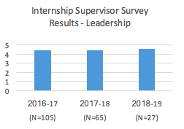
Have a global perspective. GOAL: The goal is for 80% of student teams to achieve a score of 50 points or higher on the global competencies portion of the rubric. | DIRECT, FORMATIVE, INTERNAL. In IT 110, all BBA students complete a global project. It is a team project that involves research on a multinational company headquartered outside the U.S. | In Spring 2018, Fall 2018, and Spring 2019, a total of 265 students participated in 75 presentations. | Over 3 semesters, 89.4% of students met or exceeded the goal. | The BBA program has a strong offering of global business classes that are linked to each business specialty. School Assessment Committee will support the program in its assessment of global perspective in the BBA core courses that are taken later in the students' program. | 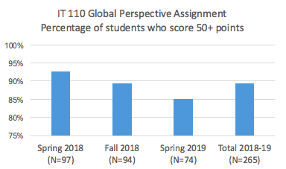
Have a global perspective GOAL: The program has not established a goal related to the internship supervisor assessment. | DIRECT, SUMMATIVE, EXTERNAL. In the Internship Supervisor Survey: Cultural competance/global Q: The student intern showed respect for cultural differences and an understanding of working in a global environment. | In MGT 490 Internship, the intern's supervisor completes an assessment at the end of the internship. Student performance is rated on a scale of 1 to 5, with the 5 rating highest. | In the past 3 academic years, the supervisors' assessment is greater than 4. | Program Director, Dean and Internship Coordinator will develop a goal for each learning outcome as the internship supervisor survey tool is revised. | 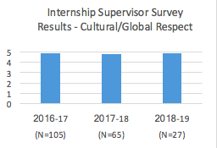
Be effective communicators. GOAL: The program's outcome goal is 85% of students reviewed will score a "3" (average) or higher. | DIRECT, SUMMATIVE, INTERNAL. Dean's Review Panel (senior seminar project)--written and oral communication skills | Student teams in MGT 489 prepare a business plan that is presented in a competition. The 4-5 finalist teams present in the final round "Dean's Review Panel." Student teams are judged by a panel of faculty, business leaders, and the School Dean. The outcome analysis includes a tablulation of the judges' scores for each team, using a 5-point scale (poor to excellent). Detailed results are included in the trend analysis and in the Marymount Learning Assessment report (evidence file). | For many years, the BBA program has used the team project (i.e., the creation of a comprehensive business plan) in the capstone course (MGT 489) as an element of the overall outcomes assessment process. A component of this assessment was to have a “dean’s review panel” (consisting of the dean and local business practitioners), hear and critique the business plans. All of the panelists used a multidimensional rubric to complete this evaluative process. However, in recent years as the number of presenting teams has grown, the instructor has opted to have the “dean’s review panel” only hear a subset of the teams enrolled in the course (i.e., “the finalists”). Therefore, the challenge from an assessment perspective, is that only a subset of the students in the class receive a critique from the external group. | Going forward, the BBA should address how to assess all of the students in the course and not just a sample of students. | 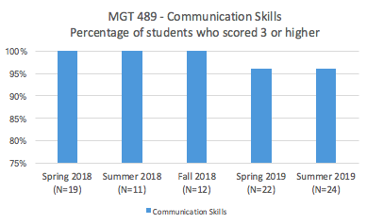
Be effective communicators. GOAL: The program has not established a goal related to the internship supervisor assessment. | DIRECT, SUMMATIVE, EXTERNAL. Internship Supervisor Survey - Written and Oral Communication Q(written): The intern possesses the skills in written communication necessary to succeed professionally. Q(oral): The intern possesses the skills of spoken communication necessary to succeed professionally. | In MGT 490 Internship, the intern's supervisor completes an assessment at the end of the internship. Student performance is rated on a scale of 1 to 5, with the 5 rating highest. | In the past 3 academic years, the supervisors' assessment is greater than 4. | Program Director, Dean and Internship Coordinator will develop a goal for each learning outcome as the internship supervisor survey tool is revised. | 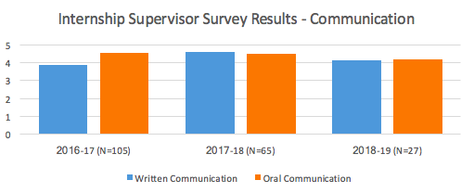
Use current business technology effectively. GOAL: The program has not established a goal for this assessment of the learning outcome. | DIRECT, FORMATIVE, INTERNAL. ACT202-L(final project)--students use Excel to complete financial analysis | In ACT 202-L, students participate in a 1-credit hour lab that is designed to support strengthening skill in using Excel for financial analysis. | Over the past 3 semesters, over 80% of students earned a grade of B or better on the final project. | Program Director and faculty will establish an outcome goal. | 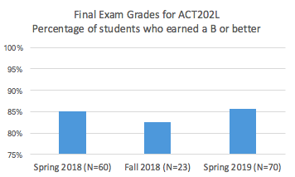
Have an ethical perspective in their field. GOAL: The program's outcome goal is 85% of students reviewed will score a "3" (average) or higher. | DIRECT, SUMMATIVE, INTERNAL. Dean's Review Panel (senior seminar project)--applied ethics skills | Student teams in MGT 489 prepare a business plan that is presented in a competition. The 4-5 finalist teams present in the final round "Dean's Review Panel." Student teams are judged by a panel of faculty, business leaders, and the School Dean. The outcome analysis includes a tablulation of the judges' scores for each team, using a 5-point scale (poor to excellent). Detailed results are included in the evidence file. | For many years, the BBA program has used the team project (i.e., the creation of a comprehensive business plan) in the capstone course (MGT 489) as an element of the overall outcomes assessment process. A component of this assessment was to have a “dean’s review panel” (consisting of the dean and local business practitioners), hear and critique the business plans. All of the panelists used a multidimensional rubric to complete this evaluative process. However, in recent years as the number of presenting teams has grown, the instructor has opted to have the “dean’s review panel” only hear a subset of the teams enrolled in the course (i.e., “the finalists”). Therefore, the challenge from an assessment perspective, is that only a subset of the students in the class receive a critique from the external group. | Going forward, the BBA should address how to assess all of the students in the course and not just a sample of students. | 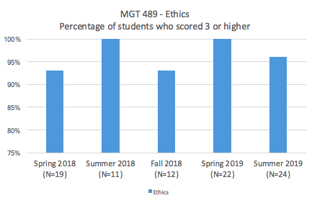 |  |  |  |  |  |  |  |  | 2016-17 | 2017-18 | 2018-19
Have an ethical perspective in their field. GOAL: The program has not established a goal related to the internship supervisor assessment. | DIRECT. SUMMATIVE, EXTERNAL Internship Supervisor Survey - Ethics Q: The intern showed an understanding of the importance of professional ethics and ethical behavior | In MGT 490 Internship, the intern's supervisor completes an assessment at the end of the internship. Student performance is rated on a scale of 1 to 5, with the 5 rating highest. | In the past 3 academic years, the supervisors' assessment is greater than 4. | Program Director, Dean and Internship Coordinator will develop a goal for each learning outcome as the internship supervisor survey tool is revised. | 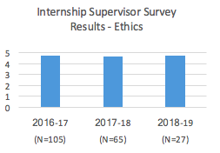
MBA |  |  |  |  |  |  |  |  |  |  |  |  | BBA - Cultural | 4.85 | 4.77 | 4.88
Design viable strategies to solve complex business problems using relevant data and concepts across disciplines. GOAL: 90% of teams assessed have a minimum score of 3 out of 5 for delivery, organization and content of the presentation, and; 50% of presentations are good (4) or excellent (5). | DIRECT, SUMMATIVE, INTERNAL. Panel assessment of team business plan | The goal was met for both measures in AY18-19. | Program will continue to build student success on this learning outcome. | In future, the program will implement alumni team coaches throughout the semester in MBA 626. Guest speaker on finance and on analytics/risk assessment was successful in AY18-19. Will invite finance faculty back to highlight key components of the financial plan for projects. Emphasis will be placed on ensuring that student projects are based on actual business start-up's or strategies for ongoing concerns. | 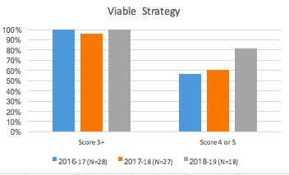
Design viable strategies to solve complex buisness problems using relevant data and concepts across disciplines. GOAL: pilot in AY18-19; no measure was established | DIRECT, SUMMATIVE, EXTERNAL; ETS exam assessment by management domain | Student performance was below the national mean for all domains. The strongest domain results were in marketing and management. | Pilot results indicate that there is room for improvement. The test should be administered in the capstone MBA course rather than a course that is taken at the midpoint of the program. For the pilot, students self-selected to participate. This may have influenced results. There is some evidence that poor performing students were more likely to have taken the pilot exam. | Program director will review ETS exam questions with faculty teaching in MBA program to determine if this measure is the appropriate national standard to use. Other instruments will be evaluated as potential comparative measures. The chosen instrument will be implemented in the MBA 626 capstone class beginning Fall 2020. | 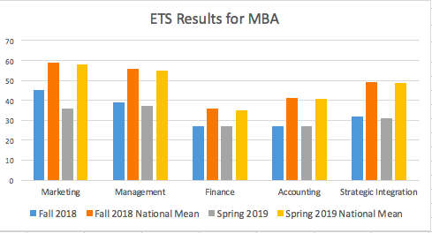
Effectively articulate and defend ideas and proposals. GOAL: 90% of teams assessed have a minimum score of 3 out of 5 for delivery, organization and content of the presentation, and; 50% of presentations are good (4) or excellent (5). | DIRECT, SUMMATIVE, INTERNAL. Panel assessment of team business plan | The goal was met for both measures in AY18-19. | Program will continue to build student success on this learning outcome. | In future, the program will implement alumni team coaches throughout the semester in MBA 626. Guest speaker on finance and on analytics/risk assessment was successful in AY18-19. Will invite finance faculty back to highlight key components of the financial plan for projects. Emphasis will be placed on ensuring that student projects are based on actual business start-up's or strategies for ongoing concerns. | 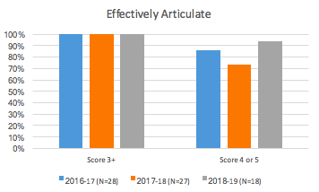
Model leadership in various settings and levels of the organization. GOAL: Assessment target is 80% of students exceed "substantially or moderately developed" score for the analysis and synthesis of leadership theories in their final paper. These theories are applied to understand the leadership behaviors of a selected leader. | DIRECT FORMATIVE, INTERNAL Final paper in MBA 517 Leading in Business; students research leadership behaviors of selected business leader and draw applications for their own leadership style. | The goal was met for all 3 academic years. | Program will continue to build student success on this learning outcome. | Program Director and faculty will explore alternative assignments for assessing this learning outcome. Alternatives include experiential learning exercises throughout the class and a reflection paper on the student's leadership experience. In addition, Program Director and faculty will ensure consistent approaches to assessing this learning outcome for both online and face-to-face format. | 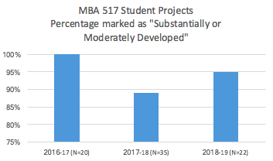
Assess the ethical and social implications of business decisions. GOAL: 90% of teams assessed have a minimum score of 3 out of 5 for delivery, organization and content of the presentation, and; 50% of presentations are good (4) or excellent (5). | DIRECT, SUMMATIVE, INTERNAL. Panel assessment of team business plan | The goal was met in AY 18-19. | Ethics and social responsibility were covered across the MBA curriculum. Learning outcome results improved in AY18-19. More student teams chose business plan topics that had a direct link to a social/ethical issue. The measure reflects the level of emphasis students place on ethics and social responsibility in their final projects. | A new course, MBA 516 Business Law and Ethics, was added to the curriculum in AY19-20. This course is taught by a combination of business law and philosophy professors. This practice will continue with the addition of a course devoted to ethics and social and responsibility. A future assessment measure in MBA 516, rather than the capstone project, will be identified. | 